Sheet1
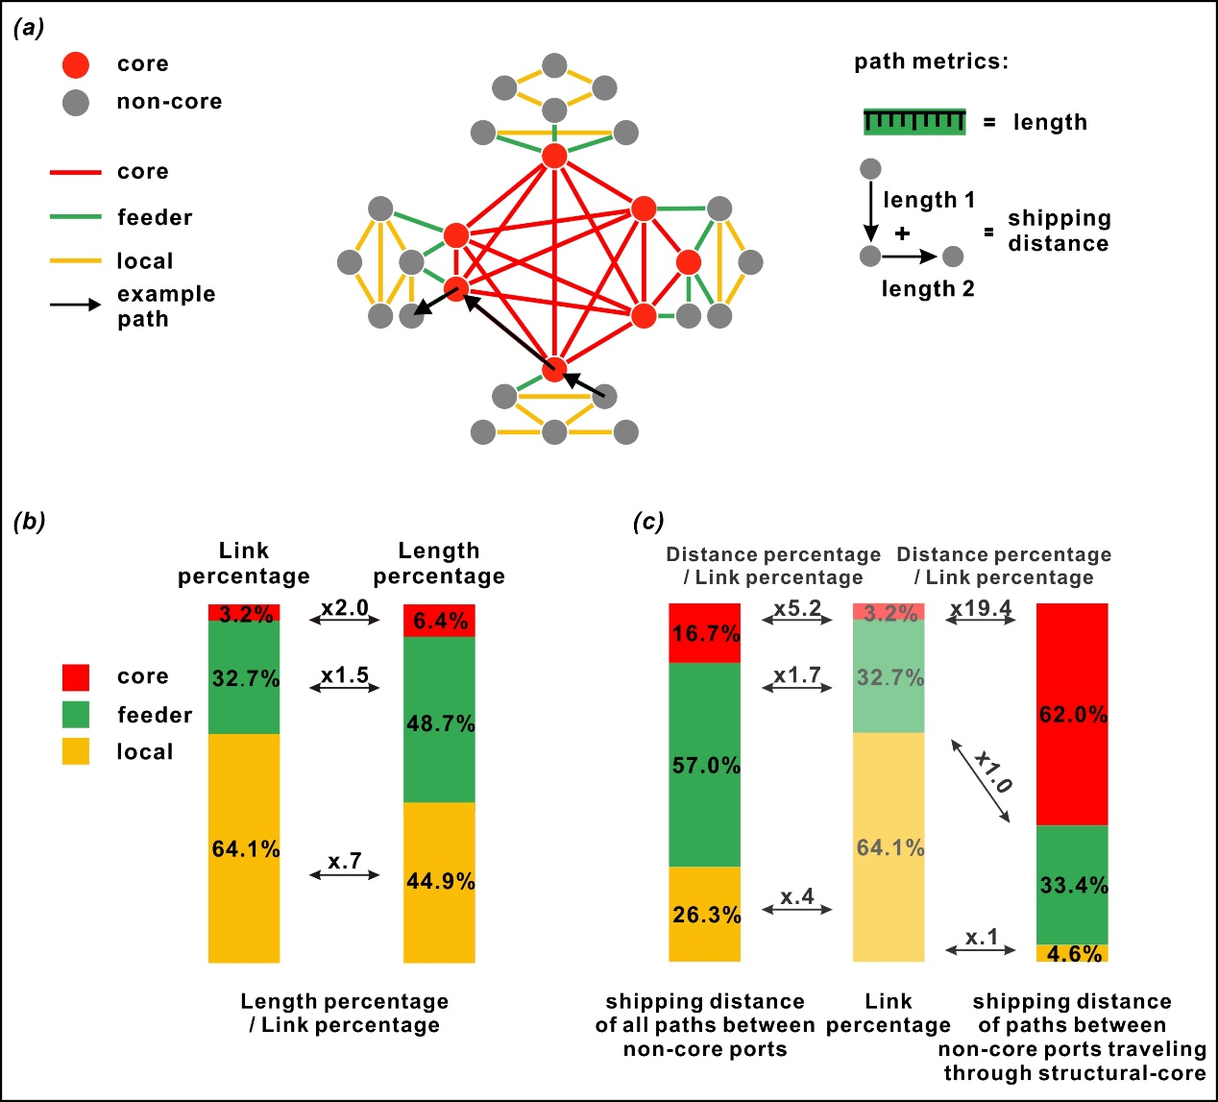
types of connections | shipping distance of all paths between non-core ports | Distance percentage / Link percentage (Left) | shipping distance of paths between non-core ports traveling through structural-core | Distance percentage / Link percentage (Right)
core | 16.65 | 5.2 | 62 | 19.4
feeder | 57.03 | 1.7 | 33.4 | 1
local | 26.32 | 0.4 | 4.6 | 0.1

